Power Loss
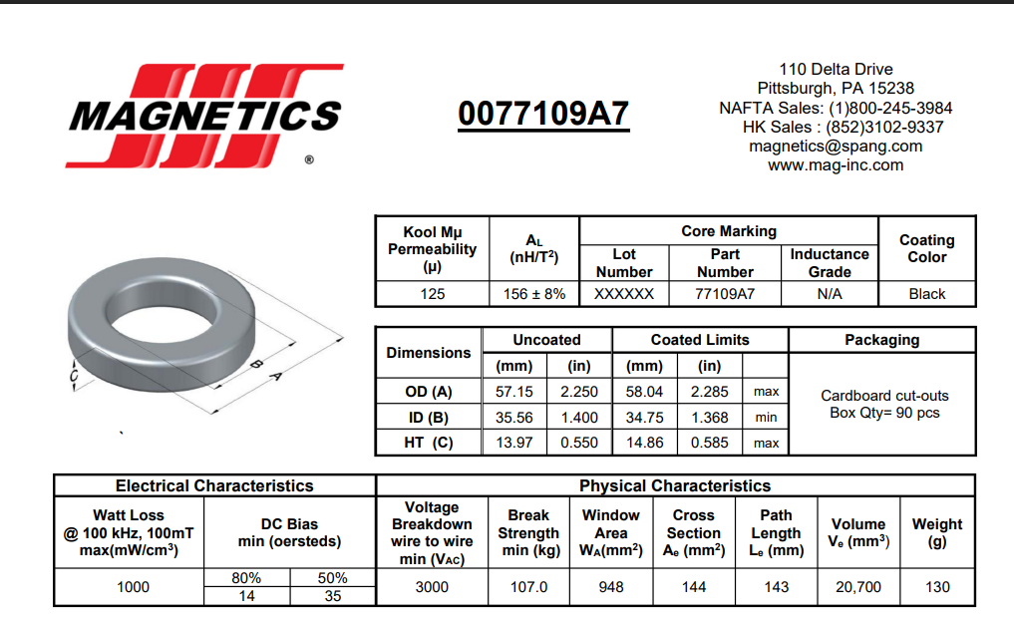
POWER LOSS ANYLSIS

Iout | Mosfet | Rectifier Diode | Boost Diode | İnductor |  | Parameters | Value | Unit | Parameters | Value | Unit
0.4 | 0.11 | 1.32 | 0.40 | 0.00 |  | Vrec | 310 | V | Wire | #AWG14 | -
0.8 | 0.22 | 2.67 | 0.80 | 0.01 |  | Fsw | 85 | Khz | Wire Resistance | 8.28 | mOhm/metre
1.2 | 0.34 | 4.07 | 1.20 | 0.03 |  | RecDiode_fv | 0.9 | V | Total Turns | 40 | Turn
1.6 | 0.46 | 5.59 | 1.60 | 0.06 |  | BSTDiode_fv | 1 | V | Pallel Turns | 3 | Turn
2 | 0.58 | 7.12 | 2.00 | 0.11 |  | Vdrv | 12 | V | Toriod Outer Diametre | 21.6 | mm
2.4 | 0.70 | 8.79 | 2.40 | 0.16 |  | Rdrv_H | 3.3 | Ohm | Toriod Outer Circumference | 67.82 | mm
2.8 | 0.83 | 10.36 | 2.80 | 0.22 |  | Rdrv_L | 3.9 | Ohm | Total Wire Lenght | 2712.96 | mm
3.2 | 0.95 | 11.95 | 3.20 | 0.30 |  | Gate Charge | 35 | nC | Total Wire Resistance | 7.49 | mOhm
3.6 | 1.09 | 13.75 | 3.60 | 0.39 |  | Trise | 9.6 | nS
3.85 | 1.17 | 15.00 | 3.85 | 0.47 |  | Tfall | 11.4 | nS | TOTAL LOSS | 20.5 | W
 |  |  |  |  |  | Duty | 0.2 | %

PF | VIN | IIN(RMS) | IIN(AVR) | PIN | VOUT | IOUT | POUT | Eff
0.99 | 226 | 0.70 | 0.66 | 149.41 | 390 | 0.4 | 156 | 0.96
0.998 | 222 | 1.41 | 1.34 | 296.43 | 390 | 0.8 | 312 | 0.95
1 | 218 | 2.15 | 2.04 | 443.75 | 390 | 1.2 | 468 | 0.95
0.99 | 214 | 2.95 | 2.79 | 597.64 | 390 | 1.6 | 624 | 0.96
0.989 | 210 | 3.76 | 3.56 | 747.81 | 390 | 2 | 780 | 0.96
0.98 | 206 | 4.64 | 4.40 | 905.61 | 390 | 2.4 | 936 | 0.97
0.99 | 202 | 5.46 | 5.18 | 1045.87 | 390 | 2.8 | 1092 | 0.96
1 | 198 | 6.30 | 5.98 | 1183.33 | 390 | 3.2 | 1248 | 0.95
0.998 | 194 | 7.25 | 6.88 | 1333.92 | 390 | 3.6 | 1404 | 0.95
0.999 | 190 | 7.91 | 7.50 | 1425.12 | 390 | 3.85 | 1501.5 | 0.95

